Resource Plan
Project Resource Plan

Project Information

Project Name : |  | S1 AI Advisory |  |  |  | Project Manager Name : |  |  | Parinya Kamnoed

Project ID : |  | <Project ID> |  |  |  | Initiative Lead (IL) Name :

Project Start Date : |  | 1-May-2025 |  |  |  | Digital Line Partner Name :

Project End Date : |  | 30-Apr-2027 |  |  |  | Product / Platform Owner Name : |  |  | Thapanic Khukhantin

Resource Plan

No. | Role | Ranking | Level | Area | Tentative Member Name | Assignment Start Date | Assignment End Date | Assignment (% per month) | Remark

Q&A
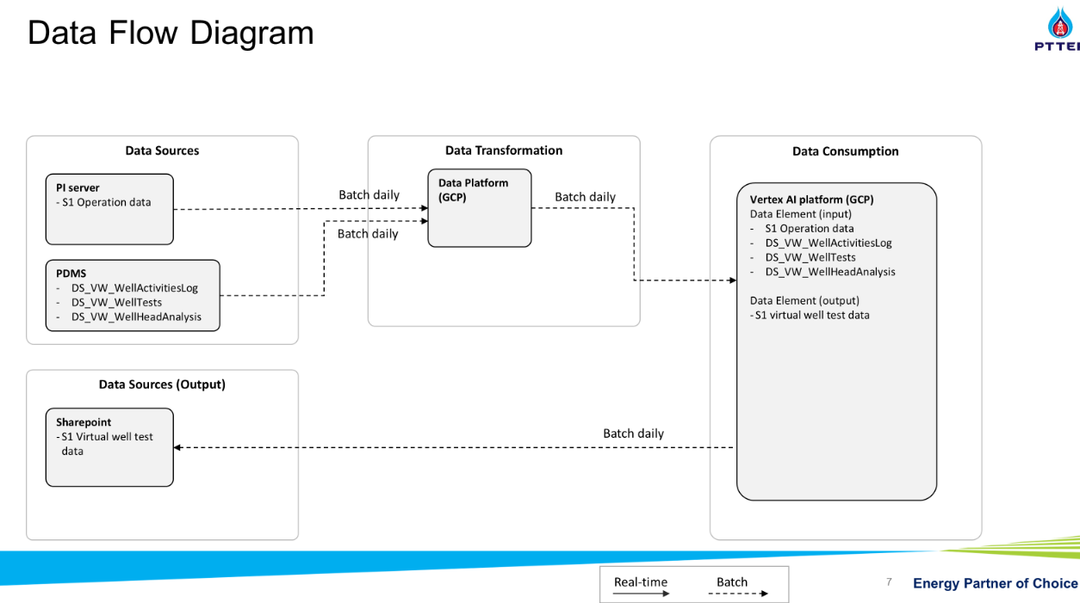
No. | Question | Alignment
1 | batch / ingest / frequency per day/month? | + never ingest, Direct retrieve (2025) | GCP (2026), check iPOS phase 1 for data + PI to GCP need to validate more discus PI Server + no need to build model for DS + frequency followint data flow diagram + output -> text file (sharepoint): need human approve -> well test team load to P2 (ipos connect P2)
2 | data from PI real time or not ? | + PI on Prem to PI GCP + check data pipeline from existing iPOS 1/2, concern Name - summary separate project + data engineer - > use data analyst instead + adding Tag require K.Kate (Suwanna product owner PI) - contact by DS | Pre-requitsite: tag name and more details
3 | clarify DE start before DS? | + don't need DE effort
4 | end of dec 2026, the project is still continue? | + plan to complete 120 well Oct, actuallly total 150-160 end Dec ->> KPI
5 | which selection Well for group1 and group2 deployment? | + POC 10 well aready + month 6 = 25 well, + month 10 = 120 well (26-120 well faster)
6 | ML pipeline | Only keep file on SharePoint check by human
7 | System Architecture and Data Architecture | Revised again after Gate 3, before Solar
8 | Resource DA | Just standby follow FTE sheet, mainly DS (Mickey) is the key person togather Requirement

Project Plan
Actual | 63% |  |  | Start: | Mar-26 | Start | 5-Jan-26 |  |  | Current Week |  |  |  |  |  | Revised |  |  |  |  |  |  |  |  |  |  |  |  |  |  |  |  |  |  |  |  |  |  |  |  |  |  |  |  |  |  |  |  |  |  |  |  |  |  |  |  | ♦️[25 Dec] Handover
Plan | 56% |  |  | End: | Dec-26 |  |  |  | Link: | SOR Document |  |  |  |  |  |  |  |  |  |  |  |  |  |  |  |  |  |  |  |  | ♦️[30 Jun] Group 1: 25 Wells |  |  |  |  |  |  |  |  |  |  |  |  |  |  |  |  | ♦️[30 Oct] Group 2: 26 - 120 Wells |  |  |  |  |  |  | ♦️[14 Dec] Group 3: 121 - 160 Wells
*count progress to handover |  |  |  |  |  | Year 2026 |  |  |  |  |  |  |  |  |  |  |  |  |  |  |  |  |  |  |  |  |  |  |  |  |  |  |  |  |  |  |  |  |  |  |  |  |  |  |  |  |  |  |  |  |  |  |  |  |  |  |  | Year 2027
 |  |  |  |  |  | 2026-01-15 |  |  |  | 2026-02-23 |  |  |  | 2026-03-30 |  |  |  |  | 2026-04-27 |  |  |  | 2026-05-25 |  |  |  | 2026-06-29 |  |  |  |  | 2026-07-27 |  |  |  | 2026-08-31 |  |  |  |  | 2026-09-28 |  |  |  | 2026-10-26 |  |  |  | 2026-11-30 |  |  |  |  | 2026-12-28 |  |  |  | 2027-01-25 |  |  |  | 2027-02-22 |  |  |  | 2027-03-22
Project Roadmap/Timeline: |  |  | 4 |  |  | 2026-01-05 | 2026-01-12 | 2026-01-19 | 2026-01-26 | 2026-02-02 | 2026-02-09 | 2026-02-16 | 2026-02-23 | 2026-03-02 | 2026-03-09 | 2026-03-16 | 2026-03-23 | 2026-03-30 | 2026-04-06 | 2026-04-13 | 2026-04-20 | 2026-04-27 | 2026-05-04 | 2026-05-11 | 2026-05-18 | 2026-05-25 | 2026-06-01 | 2026-06-08 | 2026-06-15 | 2026-06-22 | 2026-06-29 | 2026-07-06 | 2026-07-13 | 2026-07-20 | 2026-07-27 | 2026-08-03 | 2026-08-10 | 2026-08-17 | 2026-08-24 | 2026-08-31 | 2026-09-07 | 2026-09-14 | 2026-09-21 | 2026-09-28 | 2026-10-05 | 2026-10-12 | 2026-10-19 | 2026-10-26 | 2026-11-02 | 2026-11-09 | 2026-11-16 | 2026-11-23 | 2026-11-30 | 2026-12-07 | 2026-12-14 | 2026-12-21 | 2026-12-28 | 2027-01-04 | 2027-01-11 | 2027-01-18 | 2027-01-25 | 2027-02-01 | 2027-02-08 | 2027-02-15 | 2027-02-22 | 2027-03-01 | 2027-03-08 | 2027-03-15 | 2027-03-22
Main Activity | Sub Activity | Start | End | % Progress | Role | W1 | W2 | W3 | W4 | W1 | W2 | W3 | W4 | W1 | W2 | W3 | W4 | W5 | W1 | W2 | W3 | W4 | W1 | W2 | W3 | W4 | W1 | W2 | W3 | W4 | W5 | W1 | W2 | W3 | W4 | W1 | W2 | W3 | W4 | W5 | W1 | W2 | W3 | W4 | W1 | W2 | W3 | W4 | W1 | W2 | W3 | W4 | W5 | W1 | W2 | W3 | W4 | W1 | W2 | W3 | W4 | W1 | W2 | W3 | W4 | W1 | W2 | W3 | W4
Gather Requirement & Design |  |  |  |  | DS(main), DArch
 | Consolidate Requirement (data requirement, KPI, etc.) | 16-Feb-26 | 13-Mar-26 | 100%
 | Design architecture | 16-Mar-26 | 27-Apr-26 | 100%
 | SOLAR + ARB | 30-Mar-26 | 10-Apr-26 | 100%
[Full scale] ML model development |  |  |  |  | DS, ML
 | Prepare data, sharing and permission | 2-Mar-26 | 29-May-26 | 100%
 | Model Development & Prediction Pipeline | 2-Mar-26 | 29-May-26 | 100%
 | Deployment Group 1 (1-25 Wells) | 1-Jun-26 | 3-Jul-26 | 100% |  |  |  |  |  |  |  |  |  |  |  |  |  |  |  |  |  |  |  |  |  |  |  |  |  |  | ♦️
 | User feedback/improvement Group 1 | 6-Jul-26 | 31-Jul-26 | 100%
 | Model Adjustment | 27-Jul-26 | 2-Oct-26 | 100%
 | Deployment Group 2 (26-120 Wells) | 5-Oct-26 | 30-Oct-26 | 70% |  |  |  |  |  |  |  |  |  |  |  |  |  |  |  |  |  |  |  |  |  |  |  |  |  |  |  |  |  |  |  |  |  |  |  |  |  |  |  |  |  |  |  | ♦️
 | User feedback/improvement Group 2 | 2-Nov-26 | 20-Nov-26 | 60%
 | Deployment The Rest Group (121-160 Wells) | 23-Nov-26 | 18-Dec-26 | 0% |  |  |  |  |  |  |  |  |  |  |  |  |  |  |  |  |  |  |  |  |  |  |  |  |  |  |  |  |  |  |  |  |  |  |  |  |  |  |  |  |  |  |  |  |  |  |  |  |  |  | ♦️
 | User feedback/improvement The Rest Group | 21-Dec-26 | 1-Jan-27 | 0%
Integration and Handover |  |  |  |  | DA, DS, ML
 | IPOS Phase 2: Integration Support | 1-Jun-26 | 14-Aug-26 | 0%
 | Handover: Final manuals and training | 21-Dec-26 | 1-Jan-27 | 0% |  |  |  |  |  |  |  |  |  |  |  |  |  |  |  |  |  |  |  |  |  |  |  |  |  |  |  |  |  |  |  |  |  |  |  |  |  |  |  |  |  |  |  |  |  |  |  |  |  |  |  |  | ♦️
Post-golive TBC with support team |  |  |  |  | OMS Support, DS
 | Operation Support (Tier 1, Tier 2) | 4-Jan-26 | 25-Mar-26 | 0%

 |  |  |  | Measurement |  | Deliverable(Overall) |  |  |  |  | Ref. Task Document & Handover |  |  |  |  |  |  |  | Post Go-Live
 |  |  |  | Target: MAPE < 25% |  | ML | Source of data and model development |  |  |  |  |  |  |  |  |  |  |  | Tier | Document |  |  |  |  | Support Level
 |  |  |  |  |  | DS | Algorithm & Logic, Result (experiment/measurement e.g. MAPE, R2, MAE) |  |  |  |  |  |  |  |  |  |  |  | Tier 1 | High Level |  |  |  |  | High Level
 |  |  |  |  |  | *format document/wiki |  |  |  |  |  |  |  |  |  |  |  |  | Tier 2 | Technical Level |  |  |  |  | Technical Level

 |  |  |  |  |  | Integration with IPOS Phase 2
 |  |  |  |  |  | Team | Action |  |  |  | Output
 |  |  |  |  |  | S1 AI | deploy models |  |  |  | text files on sharepoint
 |  |  |  |  |  | User | validate and upload data |  |  |  | PDMS, GCP
 |  |  |  |  |  | IPOS | integrate |  |  |  | GCP

 |  |  |  |  |  | Deliverable: Milestone 1 - 25 Wells
 |  |  |  |  |  | 1) | Source code deployment
 |  |  |  |  |  | 2) | Excel Virtual Flow Meeting (per Well per Day)

 |  |  |  |  |  | Deliverable: Milestone 2 - 26 to 120 Wells
 |  |  |  |  |  | 1) | Source code deployment
 |  |  |  |  |  | 2) | Excel Virtual Flow Meeting (per Well per Day)

 |  |  |  |  |  | Deliverable: Milestone 3 - 121 to 160 Wells (TBD)
 |  |  |  |  |  | 1) | Source code deployment
 |  |  |  |  |  | 2) | Excel Virtual Flow Meeting (per Well per Day)

 |  |  |  |  |  | Note: the user is required to test each milestone [Testing->Improvement Process]

Note:
04/02/26 - SOR Highlivel Requirement latest alignment

Original - need to revise with team

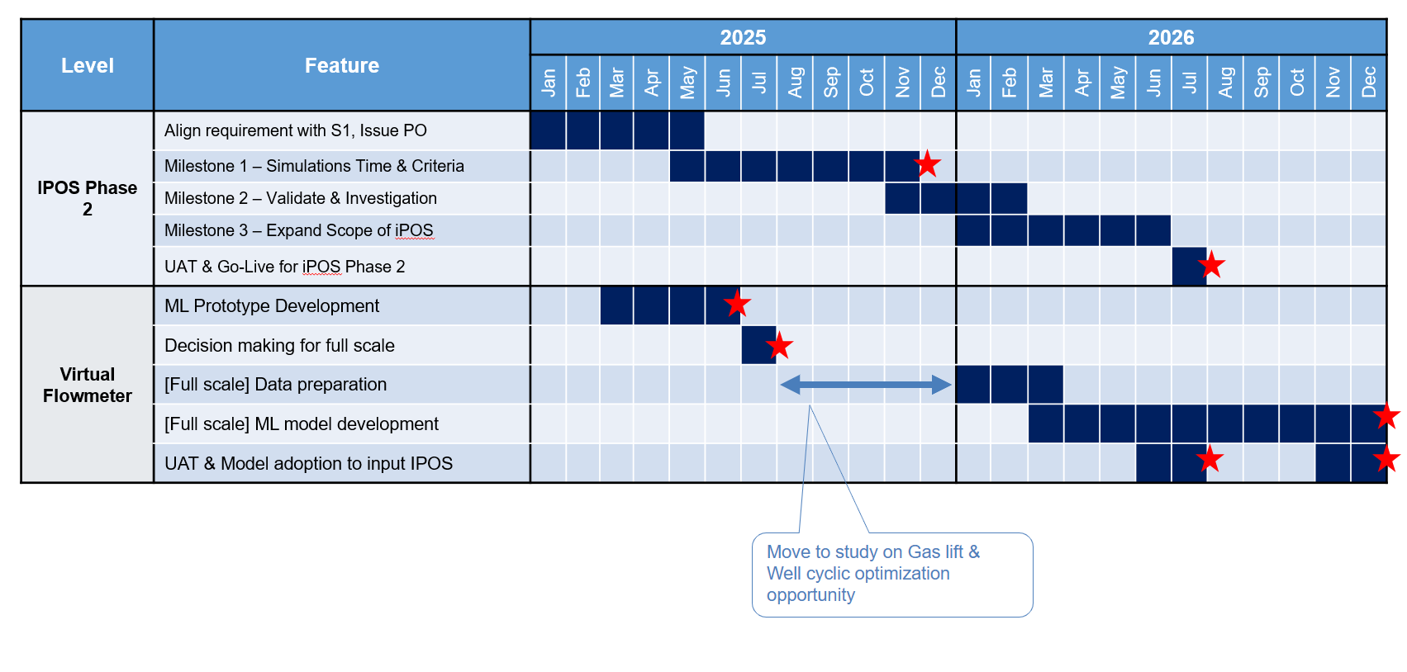

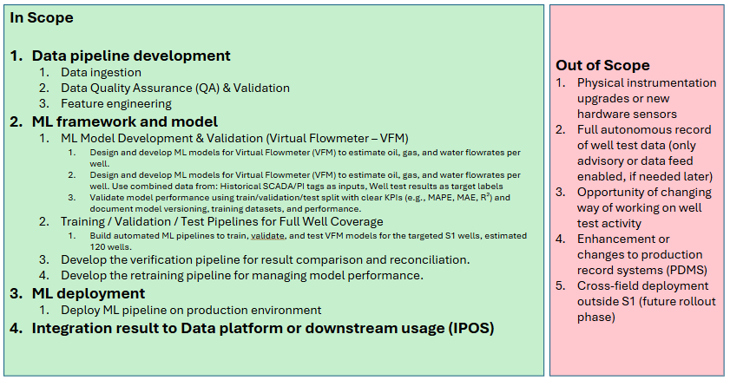

 |  |  |  |  |  |  |  | Note: will be deleted soon
 |  |  |  |  |  |  |  | output, excel and sharepoint -> validate -> P2 -> GCP
 |  |  |  |  |  |  |  | text on sharepoint |  |  | S1 Team
 |  |  |  |  |  |  |  | validate -> P2 |  |  | user
 |  |  |  |  |  |  |  | GCP |  |  | IPOS phase 2

 |  |  |  |  |  |  |  | post golive |  |  |  | document
 |  |  |  |  |  |  |  |  | 1 | support |  | slide(ml: resource), (ds: algorith)
 |  |  |  |  |  |  |  |  | 2 | ds |  |  |  |  |  |  |  | more technical

 |  |  |  |  |  |  |  | deliverable
 |  |  |  |  |  |  |  |  |  | slide(ml: resource), (ds: algorith, wiki model exeriment)
 |  |  |  |  |  |  |  |  | ds | algo, logic
 |  |  |  |  |  |  |  |  |  | result (KPI R2, Mape, model performance)

